Europe
Opt Nr:- 1 | Date:- 13-05-2026 | DESCRIPTION | TOTAL | COST (EUR) | Length (m) | Width (m) | Height (m) | Qty (Nos) | UNIT / TYPE | COST (EUR)
Client_Exhibitor | Orbits Engineering | FLOORING | 2,123.55
Exhibition Name | INTERGEO 2026 | Static Calculation | 0.00
Venue | MUNICH | STRUCTURE (Walls) | 2,193.15
Dates | 15. - 17.09.2026 | Hanging with Truss | 0.00
Stand Size | 8.5M X 6M | Counters/Podiums/Cabinets/Displays | 782.55
Area | 51 SQM | Standard Items | 35.00
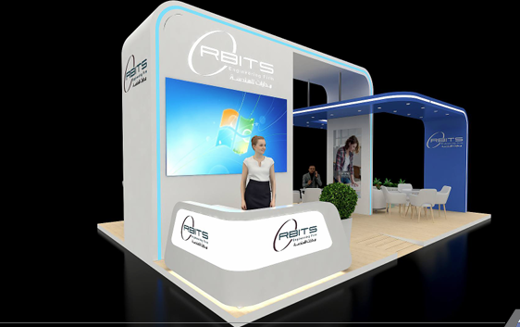
Stand Height | 4M | Plants / Greenery | 237.76
 |  | ELECTRICAL | 974.48
 |  | FURNITURE/Kitchen Itemsem may cost more) | 591.00
 |  | GRAPHICS | 671.52
 |  | AUDIO VISUAL (Rented) | 3,937.50
 |  | Set-up & Dismantling Manpower Oniste | € 9,500.00
 |  | Transport To Fair ( Montage+Demontage) | € 2,500.00
 |  | Emergency Transportation | € 500.00
 |  | Forklift Services ( Montage+Demontage) | € 3,000.00
 |  | Emtry storage at fair | € 1,200.00
 |  | Material Lifts | € 1,000.00
 |  | TOTAL COST (EUR) | € 29,246.51

